Test Voltages
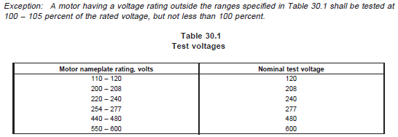
 | Voltage
Perf. | Rated V for all V/Hz combinations
Heat Run | Rated V for all V/Hz combinations
Running Heating | Table 30.1 at all rated V/Hz combinations
DDF Single Phase | Table 30.1 at all rated V/Hz combinations
DDF Three Phase | Table 30.1 at all rated V/Hz combinations
LR Single Phase | Table 30.1 at all rated V/Hz combinations
LR Three Phase | Table 30.1 at all rated V/Hz combinations

